Indices

 | Iraq Stock Exchange
 | Bulletin No (109)
 | ISX Trading Indices of Wednesday 24/6/2026

 | Traded Volume and OTC |  | 739,123,755 |  | Traded Value and OTC |  | 1,633,158,582 |  | Traders | 1598

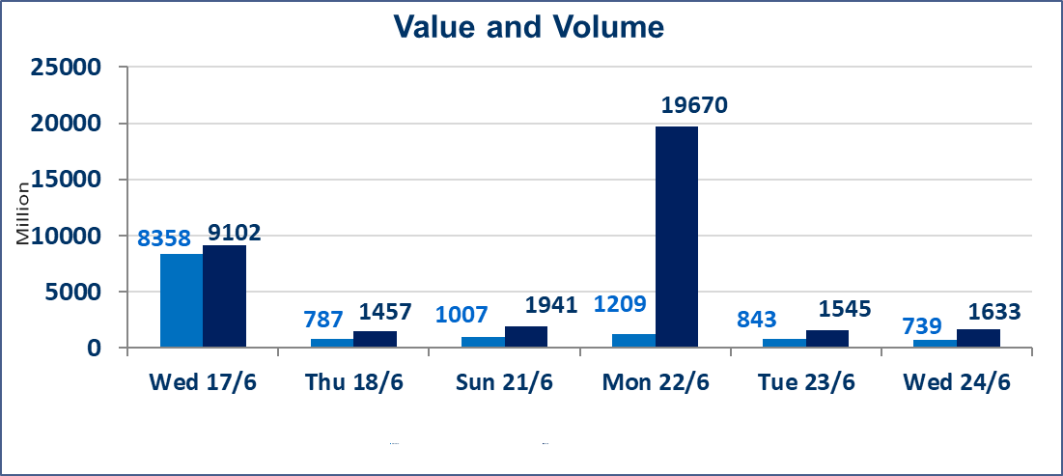
 | ISX Index 60 |  |  | 1034.28 | ISX Index 15 |  |  | 1293.97
 | Previous ISX Index60 |  |  | 1032.68 | Previous ISX Index15 |  |  | 1290.61
 | Change % |  |  | 0.15 | Change % |  |  | 0.26
 | Change |  |  | 1.60 | Change |  |  | 3.36

 | Listed Companies | 103 | OTC | 17 | Non Traded listed | 46 | OTC | 14
 | Traded Listed Companies | 44 | OTC | 2 | Higher Companies |  |  | 20
 | GAM Companies |  |  | 5 | Lower Companies |  |  | 8
 | Suspended Companies |  |  | 8 | GAM Companies OTC |  |  | 1
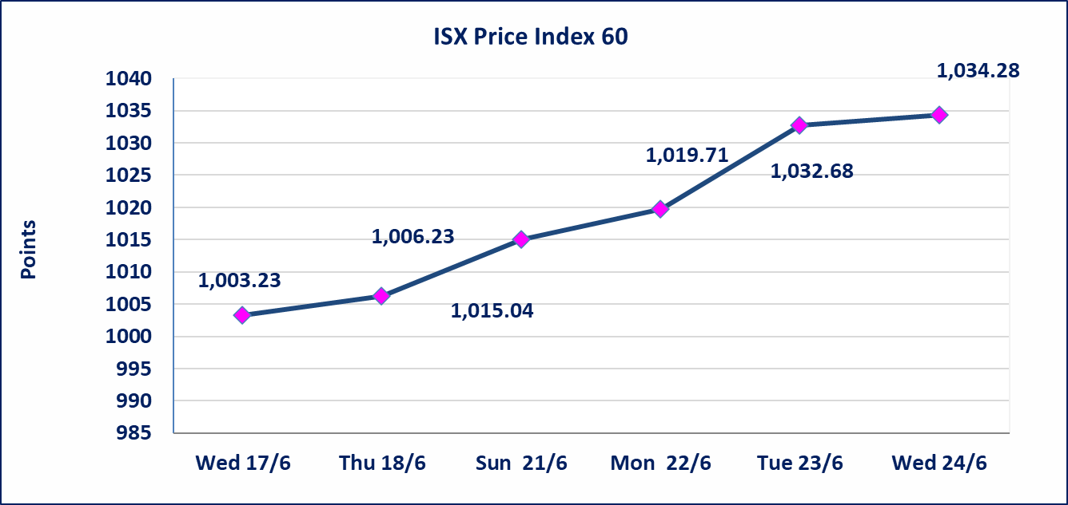
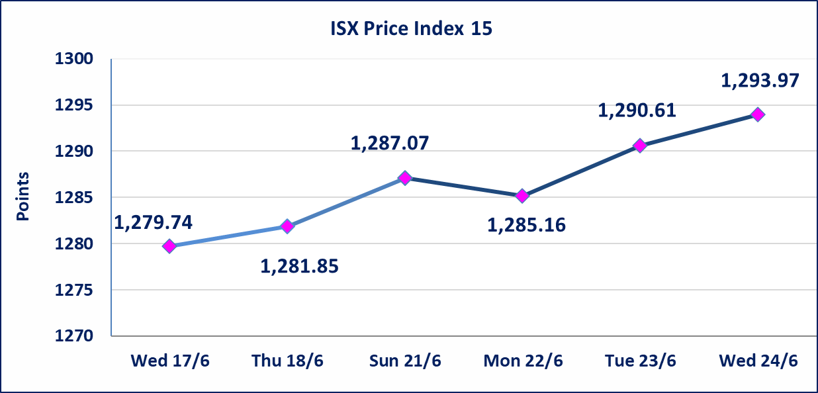

Al-Alwiya P.O . 3607 Mobile: 07711211522 - 07270094594 - 07834000034 E-mail: info-isx@isx-iq.net Web site:www.isx-iq.net

 |  |  | 5

Top 5
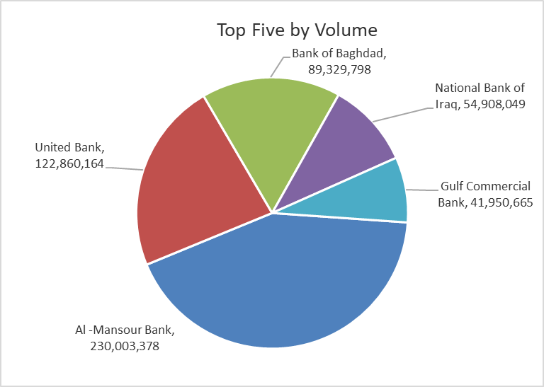
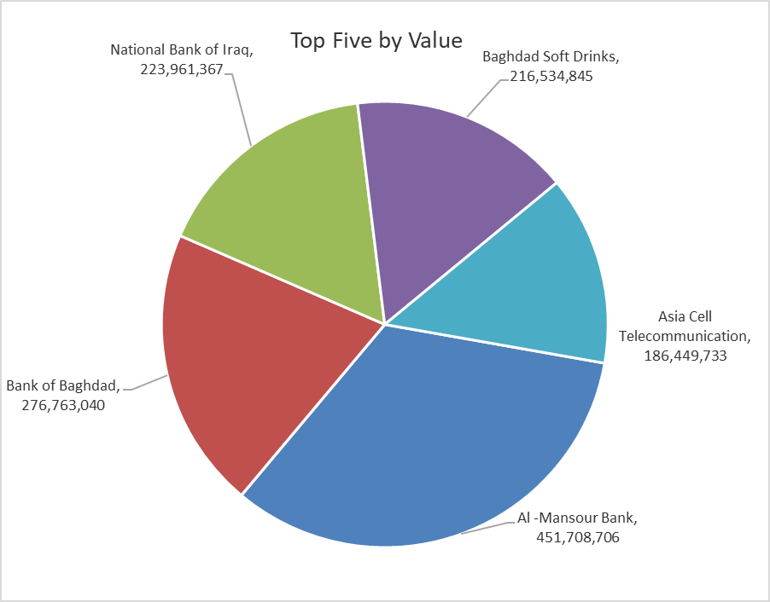

ISX top ganing and losing companies
Wednesday 24/6/2026
 | Gainers |  |  |  | Losers
 | Company Name | Closing Price | Change (%) | Traded Volume | Company Name | Closing Price | Change (%) | Traded Volume
 | Ready Made Clothes | 2.700 | 14.89 | 2,900,862 | Kharkh Tour Amuzement City | 4.450 | -6.32 | 1,355,415
 | Mosul Bank For Investment | 0.140 | 7.69 | 1,512,070 | Babil Animal & Vegetable Production | 7.100 | -5.46 | 122,620
 | Investment Bank of Iraq | 0.300 | 7.14 | 6,530,859 | Baghdad Hotel | 12.100 | -3.04 | 3,533,052
 | Ashur International Bank | 0.290 | 3.57 | 29,807,390 | Electronic Industry | 1.600 | -1.84 | 817,063
 | Tourist Village of Mosul dam | 14.500 | 3.57 | 400,768 | Al-Hilal Industries | 1.670 | -1.76 | 50,000
 | The most active companies in term of traded volume and value

 | Traded Volume |  |  |  | Traded Value
 | Company Name | Closing Price | Change (%) | Traded Volume | Company Name | Closing Price | Change (%) | Traded Value
 | Al -Mansour Bank | 1.980 | 1.02 | 230,003,378 | Al -Mansour Bank | 1.980 | 1.02 | 451,708,706
 | United Bank | 0.060 | 0.00 | 122,860,164 | Bank of Baghdad | 3.070 | -0.97 | 276,763,040
 | Bank of Baghdad | 3.070 | -0.97 | 89,329,798 | National Bank of Iraq | 4.100 | 1.99 | 223,961,367
 | National Bank of Iraq | 4.100 | 1.99 | 54,908,049 | Baghdad Soft Drinks | 6.760 | 0.30 | 216,534,845
 | Gulf Commercial Bank | 0.360 | 0.00 | 41,950,665 | Asia Cell Telecommunication | 16.850 | 0.06 | 186,449,733

Non Iraqis

Iraq Stock Exchange
Non Iraqis' Bulletin Wednesday Jun 24 2026
Regular Market

Non Iraqi Trading of Regular Market (Buy)
Company Names | Code | No.of trades | Traded Shares | Trading Volume
Banks Sector
Bank Of Baghdad | BBOB | 22 | 12,900,000 | 40,005,000
National Bank Of Iraq | BNOI | 16 | 4,270,203 | 17,353,620
Al-Mansour Bank | BMNS | 14 | 75,000,000 | 147,750,000
Total Bank sector |  | 52 | 92,170,203 | 205,108,620
Grand Total |  | 52 | 92,170,203 | 205,108,620

Non Iraqi Trading of Regular Market (Sell)
Company Names | Code | No.of trades | Traded Shares | Trading Volume
Banks Sector
Bank Of Baghdad | BBOB | 1 | 50,000 | 155,500
National Bank Of Iraq | BNOI | 30 | 20,471,906 | 83,520,657
Total Bank sector |  | 31 | 20,521,906 | 83,676,157
Telecommunication Sector
Asia cell | TASC | 23 | 2,133,769 | 35,929,008
Al-Khatem Telecoms | TZNI | 4 | 95,908 | 398,018
Total Telecommunication sector |  | 27 | 2,229,677 | 36,327,026
Grand Total |  | 58 | 22,751,583 | 120,003,183

Not Trading Bonds

Iraq Stock Exchange
Wednesday 24/6/2026
Not Trading Bonds Bulletin
Bond type | Publish type | Code | last trading price | immortilize date
Banaa Bonds /Million ID | Second | CB20 | 964,981 | 19/12/2025
Eamar Bonds /Million ID | First | CB30 | 1,001,095 | ــــــــــــــــ
Eamar Bonds /Million ID | Second | CB40 | ــــــــــــــــ | ــــــــــــــــ
Eamar Bonds /500 Thousand ID | Third | CB45 | ــــــــــــــــ | ــــــــــــــــ
Eamar Bonds /Million ID | Third | CB50 | ــــــــــــــــ | ــــــــــــــــ
Injaz Bonds /500 Thousand ID | First | CB55 | ــــــــــــــــ | ــــــــــــــــ
Injaz Bonds /Million ID | First | CB60 | 951,110 | ــــــــــــــــ
Injaz Bonds /500 Thousand ID | Second | CB65 | 511,000
Injaz Bonds /Million ID | Second | CB70 | 965,050 | ــــــــــــــــ
Injaz Bonds /500 Thousand ID | Third | CB75 | ــــــــــــــــ | ــــــــــــــــ
Injaz Bonds /Million ID | Third | CB80 | 978,182 | ــــــــــــــــ
National Bonds/Million ID | First | CB90 | ــــــــــــــــ | ــــــــــــــــ
National Bonds/500 Thousand ID | Second | CB95 | ــــــــــــــــ | ــــــــــــــــ
National Bonds/Million ID | Second | CB100 | ــــــــــــــــ | ــــــــــــــــ

